BR04
 |  | PERKHIDMATAN UTAMA PENYELIDIKAN DAN INOVASI PEJABAT TIMBALAN NAIB CANSELOR (PENYELIDIKAN & INOVASI) Kod Dokumen: PU/PY/BR04/NILAIGERAN
 |  | BORANG PENILAIAN PERMOHONAN GERAN PENYELIDIKAN EVALUATION FORM FOR RESEARCH GRANT APPLICATION

MAKLUMAT PROJEK PROJECT INFORMATION
Tajuk Projek Project Title
Ketua Projek Project Leader
PTJ Faculty / Institut
Jenis Geran Type of Grant
Kluster / Bidang Cluster / Research Area

Kriteria Penilaian Assessment criteria | Wajaran Markah Weightage of marks | Tahap Level Please click cell to select level H | Keterangan Indicator | Markah Marks | Skor Score | Ulasan Panel Panel Remarks
1.0 Title and first impression (Title should reflect the content of the proposal, concise and instantly impressionable) | 5% |  | Please select level | 0 | 0.00
2.0 Executive summary (Should include introduction, problem statement, justification, objectives of the study. Expected key findings, potential beneficiaries and key contribution of the proposed study should be described.) | 5% |  | Please select level | 0 | 0.00
3.0 Scientific Merit (Described according to SMART criterion - Scientific, Measurable, Achievable, Realistic and within Time-frame)
3.1 Important, relevant and current | 10% |  | Please select level | 0 | 0.00
3.2 Problem Statement & research question(s) | 10% |  | Please select level | 0 | 0.00
3.3 Proposal objectives | 10% |  | Please select level | 0 | 0.00
3.4 Scientific merit | 5% |  | Please select level | 0 | 0.00
3.5 Ethical issues (Should not contain elements of misinformation, or touches sensitivities that could potentially mislead, deceive and contravene the law and moral norms of the society. Plagiarism or unethical/unauthorised use of proposals is strictly prohibited. Studies should not contravene prevailing laws and conventions on human and animal research, such as guaranteed anonymity, confidentiality and prevention against the abuse and exploitation of study subjects). *Significant ethical issues will disqualify the proposal from the reviewing process | 10% |  | Please select level | 0 | 0.00
4.0 Methodology (Clear and detailed description of methods. May consist of field work, sampling techniques, interview session, analysis ; lab work of different phases, experimental protocol, statistical analysis etc.)
4.1 Methodology description | 5% |  | Please select level | 0 | 0.00
4.2 Methodology attributes (Able to achieve research objectives with minimal possibilities of extension & project delay) | 5% |  | Please select level | 0 | 0.00
4.3 Supplementary materials for methodology included (proposal may require research design & framework diagram, flow chart, Gantt chart, activities and milestones etc, as per required by the sponsor) Ignore this category if it is not required by the sponsor | 5% |  | Please select level | 0 | 0.00
5.0 Project Impact (Describe as the magnitude of impact in terms of reach, depth and universality of the impact)
5.1 Impact magnitude & immediacy (immediacy refers to how soon an impact can be seen on the intended beneficiaries of the proposed research) | 5% |  | Please select level | 0 | 0.00
5.2 Potential to generate tangilble outputs and impact (as implied by the proposal and interpreted from the reviewers' point of view) | 5% |  | Please select level | 0 | 0.00
5.3 Potential application(s) and follow up studies | 5% |  | Please select level | 0 | 0.00
5.4 Key outputs and highlights (as declared in the proposal) Can also be adjusted by monetary return per paper, or IP | 5% |  | Please select level | 0 | 0.00
5.5 Engagement Impact | 2% |  | Please select level | 0 | 0.00
6.0 Competency of the research team
6.1 Track record (Qualification & experience (in terms of grants and papers of researchers) | 2% |  | Please select level | 0 | 0.00
7.0 Research & Innovation Ecosystem (Data sharing plan and stakeholder engagement - international partner, industry, authorities, agencies and communities)
7.1 Stakeholder engagement & participation | 2% |  | Please select level | 0 | 0.00
7.2 Project sustanainability (Project is considered sustainable if it can sustain itself using other funds, or any other means to sustain itself beyond the proposed project period, without additional funding from the original sponsors) | 2% |  | Please select level | 0 | 0.00
7.3 Innovation and novelty | 3% |  | Please select level | 0 | 0.00
7.4 Data sharing plan | 2% |  | Please select level | 0 | 0.00
8.0 Quality of proposal (Meticulous / spelling, grammatical and expression errors)
8.1 Quality of proposal | 5% |  | Please select level | 0 | 0.00

JUMLAH MARKAH KESELURUHAN (TOTAL SCORE) |  |  |  |  | 0.00

BELANJAWAN BUDGET
Butiran belanjawan Budget details | Had Limit (%) | Syarat Conditions | Komen Panel Panel's Comment |  | Bajet yang dicadangkan oleh Panel (RM) Recommended Funding by Panel
 |  |  |  |  | Tahun 1 Year 1 | Tahun 2 Year 2 | Tahun 3 Year 3 | Jumlah Total
Vote 11000 | Tiada had No limit | Gaji dan upahan (Tidak terpakai untuk Geran Putra-IPM dan Putra-IPS ) Salary and wages (Not applicable for Geran Putra-IPM and Putra-IPS ) |  |  |  |  |  | 0.00
Vote 21000 | 10% | Perbelanjaan perjalanan dan pengangkutan Travel expenses and transportation |  |  |  |  |  | 0.00
Vote 24000 | Tiada had No limit | Sewaan Rental |  |  |  |  |  | 0.00
Vote 26000 | Tiada had No limit | Bekalan bahan penyelidikan serta bekalan bahan mentah dan bahan-bahan untuk penyenggaraan dan pembaikan *termasuk vot 27000. Research materials and materials for repair and maintenance*including vote 27000 |  |  |  |  |  | 0.00
Vote 28000 | Tiada had No limit | Penyelenggaraan dan pembaikan kecil Maintenance and minor minor repair services |  |  |  |  |  | 0.00
Vote 29000 | 10% | Perkhidmatan profesional, hospitaliti dan lain-lain Professional services, hospitality and other special services |  |  |  |  |  | 0.00
Vote 35000 | 40% | Peralatan dan aksesori (Sila rujuk garispanduan untuk keterangan lanjut) Equipment and accessories (Please refer to guidelines for more information) |  |  |  |  |  | 0.00
JUMLAH PERUNTUKAN YANG DICADANGKAN (RM) Total recommended funding (RM) |  |  |  |  | 0.00 | 0.00 | 0.00 | 0.00

ULASAN PENILAI COMMENTS BY EVALUATOR |  |  |  |  |  |  | Ya Yes / Tidak No
1. Adakah projek ini berkaitan penggunaan manusia, haiwan, GMO atau LMO yang memerlukan pelepasan etika? Does the project need to obtain ethical clearance due to the use of human, animal, GMO and LMO? |  |  |  |  |  |  | Sila pilih Please select
2. Adakah projek ini melibatkan eksport, trans penghantaran, transit dan pembrokeran barangan strategik, termasuk senjata dan bahan berkaitan, dan aktiviti lain yang akan atau boleh memudahkan reka bentuk, pembangunan dan pengeluaran WMD (Weapons of Mass Destruction) dan sistem penyampaiannya. Untuk maklumat lanjut sila rujuk laman web Kementerian Perdagangan Antarabangsa dan Industri di www.miti.gov.my Does the project involve export, transshipment, transit and brokering of strategic items, including arms and related material, and other activities that will or may facilitate the design, development and production of WMD (Weapons of Mass Destruction) and their delivery systems. For more information, please refer to the Ministry of International Trade and Industry website at www.miti.gov.my. |  |  |  |  |  |  | Sila pilih Please select
3. Sila beri ulasan kekuatan dan kelemahan kertas cadangan penyelidikan ini. Please provide comment of strengths and weaknesses of this research proposal

4. Cadangan penambahbaikan Suggestion for improvement

PENGESAHAN PENILAI ENDORSEMENT BY THE EVALUATOR |  |  |  |  | Pilih Cadangan Perakuan & Taraf Bintang
Cadangan Projek (sila pilih satu sahaja) Project Recommendation (Please select one only) |  |  |  |  | Pilih cadangan perakuan Please select recommendation
Sekiranya permohonan disokong, sila beri penarafan bintang terhadap kualiti dan impak Projek |  |  |  |  |  | Sila pilih penarafan bintang Please select star rating

Tarikh Date:

Tandatangan Panel Penilai Evaluators’ Signature

Nama Penilai & Cap Name of Evaluator & Official Stamp

No. Telefon Pejabat / No. Tel Bimbit
Office Telephone Number / Handphone Number

Emel Email

 |  | Missing | Poor | Below Average | Average | Good | Excellent
 |  | 0 | 1 | 2 | 3 | 4.00 | 5
1.0 Title and first impression (Title should reflect the content of the proposal, concise and instantly impressionable) | Please select level | This element is indeterminable or missing | The title did not reflect the content of the proposal, and is not impressionable at all | The title somewhat reflect the content of the proposal, but is too common | The title describes the content of the proposal, and only left brief positive impression on the reviewer | The title describe the content aptly, reasonably unique, and would leave reasonable degree of positive impression on the reviewer | The title describe the study perfectly, and embodies the content and aspirations of the proposal. It is unique, and positively impressionable to whoever that have reviewed it
2.0 Executive summary (Should include introduction, problem statement, justification, objectives of the study. Expected key findings, potential beneficiaries and key contribution of the proposed study should be described.) | Please select level | This element is indeterminable or missing | The executive summary is not relevant to the content of the proposal at all | The executive summary somewhat reflect the content of the proposal, but did not facilitate the reviewer to quickly understand the project | The executive summary describe the content of the proposal rather accurately, and provide limited amount of additional informtion for the reviewer to quickly understand the study | The executive summary reflect the content and intent of the study, providing the necessary information for the reviewer to understand the study in a very short time | The executive summary is well written, and embodies the content and aims of the study. It is unique, and has outstanding ability to attract anyone to read, and appreciates the merits of the proposed study quickly
3.1 Important, relevant and current | Please select level | This element is indeterminable or missing | The proposed study is not important, not relevant and/or not current to the field of expertise | The proposed study is somewhat important, relevant and/or current to the field of expertise | The proposed study is evidently important and relevent. The proposed study aligns isthe current focus of the field of expertise | The proposed study is important, relevant and current to contribute the field of interest. Findings would attract significant interest from peers in the fields of expertise | The proposed study is not only important, relevant, current, and cutting edge, it is also crucial to the further advancement in the fields (and subfields) of expertise
3.2 Problem Statement & research question(s) | Please select level | This element is indeterminable or missing | Problem statement & research question included are not relevant to the proposed study | Some evidence of problem statement & research question., but very disorganised | Problem statement and research questions are present & organised, but not adequately elaborated | Problem statement and research questions are present & organised, and adequately elaborated | Problem statement and research questions are present, organised, articulated clearly and well-justified for the proposed study
3.3 Proposal objectives | Please select level | This element is indeterminable or missing | Objectives are not related to the problem statement & research question | Objectives are related to the problem statement & research question, but address only half of the intent in the proposed study | Objectives are related to the problem statement & research question, but address most of the intent in the proposed study | Objectives address the problem statement & research question, as well as all of the intent in the proposed study. | Objectives address the problem statement & research question, and provided crucial insights to enable the reviewer to understand the proposal at first glance
3.4 Scientific merit | Please select level | This element is indeterminable or missing | The proposal has poor scientific merit. | The proposal has some scientific merit | The proposal has good scientific merit and can be supported for scientific research | The proposal has very good scientific merit that justifies scientific research | The proposal has execellent and sound scientific merit that strongly justifies for scientific research
3.5 Ethical issues (Should not contain elements of misinformation, or touches sensitivities that could potentially mislead, deceive and contravene the law and moral norms of the society. Plagiarism or unethical/unauthorised use of proposals is strictly prohibited. Studies should not contravene prevailing laws and conventions on human and animal research, such as guaranteed anonymity, confidentiality and prevention against the abuse and exploitation of study subjects). *Significant ethical issues will disqualify the proposal from the reviewing process | Please select level | This element is indeterminable or missing, and should be withheld from the reviewing process untl it is clarified or made available | The proposal has critical ethical issues AND SHOULD BE DISQUALIFIED FROM THE REVIEWING PROCESS | The proposal has ethical issues that are resolvable during the review process | The proposal has minor ethical issue, and can be considered for funding | The proposal has no ethical issues and can be supported for funding | The proposal has no ethical issues, should be supported for funding, and in fact advances our understanding of potential ethical issues in the field
4.1 Methodology description | Please select level | This element is indeterminable or missing | No methodology description included, or the methodology included is totally unsuitable for the proposed project | Methodology is included but very disorganised, and not really aligned with the objectives | Methodology is included, rather organised and quite aligned with the objectives | Methodology is included, well-organised, well-described and aligned with the objectives | Methodology is included, well-organised, well-described allowing the reviewer to understand its relevance to the objectives, and well justified for the overall aim of the study
4.2 Methodology attributes (Able to achieve research objectives with minimal possibilities of extension & project delay) | Please select level | This element is indeterminable or missing | Methodology description (or lacked of it), is not able to contribute to the achievements of research objectives | Methods described could contribute to the achievements of research objectives, but with evident technical issues, and risk of delays | Methods definitely contributed to the achievements of research objectives, with small degree of technical issues, and risk of delays | Methods described are established and suited to the research objectives of the current study, with none or very little technical issues, and risk of delays | Methods described are estabished, and is the best approach to attain the research objectives outlined. No technical issues, and risk of delays expected
4.3 Supplementary materials for methodology included (proposal may require research design & framework diagram, flow chart, Gantt chart, activities and milestones etc, as per required by the sponsor) Ignore this category if it is not required by the sponsor | Please select level | This element is indeterminable or missing | No supplementary materials for methods included | Supplementary materials are included but is incomplete | Supplementary materials included are complete, but may not be fully aligned with themethodology description | Supplementary materials included are complete, fully aligned with the methodology description and helped to explain the proposed study | Supplementary materials included are meticulously prepared, complete and fully aligned with the methodology description. The inclusion of these materials add significant value in helping the reviewer to further appreciate the proposed study.
5.1 Impact magnitude & immediacy (immediacy refers to how soon an impact can be seen on the intended beneficiaries of the proposed research) | Please select level | This element is indeterminable or missing | The proposed study did not describe the magnitude and immediacy of the potential impact(s). The type and extent of impact on target group(s) / stakeholders is vague. | The proposed study made brief mention on the magnitude and immediacy of the potential impact(s). The type and extent of impact on target group(s) / stakeholders is somewhat clear to the reviewer | The proposed study made satisfactory mention on the magnitude and immediacy of the potential impact(s). The type and extent of impact on target group(s) / stakeholders is stated clearly in the proposal | The proposed study made specific mention on the magnitude, reach and how soon the potential impact(s) are expected. There are multiple target group(s) / stakeholders that will clearly benefit from the study | The research team described the magnitude, reach, and extent of the research impact in great detail. The research team demonstrated clear understanding how the findings of their research could be deployed for maximal impacts for the target groups / stakeholders
5.2 Potential to generate tangilble outputs and impact (as implied by the proposal and interpreted from the reviewers' point of view) | Please select level | This element is indeterminable or missing | The study have little or no potential in generating skilled human resource, graduate students, publications, patents, policy paper and other measurable outcomes / impacts | The study have explicit potential in generating skilled human resource, graduate students, publication, patents, policy paper and other measurable outcomes / impacts | The proposal stated clearly what would be the expected skilled human resource, graduate students, publications, patents, policy paper and other measurable outcome/impact expected. The research team has a reasonnably good idea what would be the impact of their work | The proposal is explicitly clear on the expected skilled human resource, graduate students, publications, patents, policy paper and other measurable outcome/impact expected of the study. The research team is able to outlined the extent and type of otucomes/impact, as well as their target groups/stakeholders | The skilled human resource, graduate students, publications,patents, policy paper and other measurable outcomes/impacts are evidently impactful, and made significant difference to the field of expertise. The reearch team is able to impart the findings of the research for wide-ranging impacts in the community and their fields of expertise.
5.3 Potential application(s) and follow up studies | Please select level | This element is indeterminable or missing | The proposal did not show any evidence on how knowledge garnered could be disseminated to the target group(s). No follow up study is possible | The proposal somehwat show some evidence on how knowledge garnered could be disseminated to the target group(s). Follow up study is possible and probable | The proposal somehwat show some evidence on how knowledge garnered could be disseminated to the target group(s). Follow up study is possible and probable | The proposal showed evidence on how knowledge garnered could be disseminated to, and applied by the target group(s). Follow up study is highly possible | The proposal outlined clearly how knowledge garnered could be disseminated to, and applied by the target group(s) effectively. Definite possibilities of further studies to further broaden the research horizon
5.4 Key outputs and highlights (as declared in the proposal) Can also be adjusted by monetary return per paper, or IP | Please select level | This element is indeterminable or missing | The key outputs of the proposed research include graduate students only | The key outputs of the proposed research include graduate students, non-citation index publication, new knowledge and potential IP's | The key outputs of the proposed research include graduate students, citation index publication, new knowledge, potential IP's and probable policy paper drafts | The key outputs of the proposed research include graduate students, citation index publication in highly cited journals, new knowledge, IP's and probable policy paper drafts or product | The key outputs of the proposed research include graduate students, citation index publication, new knowledge, IP's and even future policy paper drafts. The proposed project are also able to demonstrate industrial interest in the output or product
5.5 Engagement Impact | Please select level | This element is indeterminable or missing | The proposal did not describe tangible impact of engagement with any stakeholder or community, apart from the local academia | The proposal showed some degree of engagement impact with local community, authorities or industry, apart from the local academia | The proposal showed some degree of engagement impact with national community, authorities or industry, and international academic partners, apart from the local academia | The proposal demonstrated good evidence of engagement impact with national community, authorities or industry, and international academic partners, apart from the local academia. | The proposal has definitive evidence of engagement impact with national communities, authorities, and industries, as well as evidence of engagement with prominant international partners/industries, apart from local academia
6.1 Track record (Qualification & experience (in terms of grants and papers) of researchers)) | Please select level | This element is indeterminable or missing | No one in the team has published, held exisiting or former grants related to the research proposed in the current study in the past 5 years | At least half of the team members in the team has published, held exisiting or former grants related to the research proposed in the current study in the past 5 years | Majority of team members in the team has published, held exisiting or former grants related to the research topics (or subtopics) proposed in the current study in the past 5 years. | All team members in the team has published, held exisiting or former grants related to the research topics (or subtopics) proposed in the current study in the past 5 years. There are also evident collaboration (in terms of publication) between team members | The proposed research team has excellent track record in terms of publication, collaboration, and past or current grants related to the research topic proposed. Well balanced team addressing / matching all areas declared in the research proposal.
7.1 Stakeholder engagement & participation | Please select level | This element is indeterminable or missing | The proposal did not show any evidence of stakeholder involvement | The proposal show little appreciable evidence of stakeholder involvement | The proposal show some appreciable evidence of stakeholder involvement | The proposal show good evidence of stakeholder involvement | The proposal included detailed evidence and role of stakeholder involvement, that are crucial to the success of the proposed study
7.2 Project sustanainability (Project is considered sustainable if it can sustain itself using other funds, or any other means to sustain itself beyond the proposed project period, without additional funding from the original sponsors) | Please select level | This element is indeterminable or missing | Project is most probably unsustainable beyond the proposed duration | Project may be sustainable beyond the proposed duration | Project is most likely to be sustainable beyond the proposed duration | Project is clearly sustainable beyond the proposed duration | Proposal is not only sustainable beyond the proposed duration, but would be important stepping stones to further projects
7.3 Innovation and novelty | Please select level | This element is indeterminable or missing | The project is has no tangible innovation or elements of novelty at all | The project is has some tangible innovation or elements of novelty in the MALAYSIAN context only | The project has evident elements of innovation or novelty that are of interest to local and international researchers | The project has good elements of innovation and novelty, that could contribute significantly to its field of origin | The project has elements of innovation and novelty that qualifies as frontier research, with lasting impacts beyond its field of origin
7.4 Data sharing plan | Please select level | This element is indeterminable or missing | The proposal did not include any evidence on how data derived from the research is to be shared within the research community, and with industrial stakeholders | The proposal includes some description on how data derived from the research is to be shared within the research community only, but not with industrial stakeholders | The proposal includes clear description on how data derived from the research is to be shared within the research community only, but not with industrial stakeholders | The proposal includes clear description on how data derived from the research is to be shared within the research community and with industrial stakeholders | The proposal not only has clear description on how data derived from the research is to be shared within the research community and with industrial stakeholders, but also describe how these data could be used to further enhance UPM's standing as a point of reference in the field
8.1 Quality of proposal | Please select level | This element is indeterminable or missing | The proposal has extensive conceptual, structural and grammatical error | The proposal has some cenceptual, strcutural and grammatical error | The proposal has some grammatical and other errors that won't otherwise compromise the aim and intent of the proposed study | The proposal has minimal amount of grammatical errors. It has made extensive use of the correct sentence/expression/terminology that is appropriate for the field of study | The proposal encapsulates the research teams vision of the proposed project. Meticulously prepared and presented in clear language, relevancy with almost no grammatical or any errors

Pilih cadangan perakuan Please select recommendation |  | Sila pilih Please select
Disokong sepenuhnya tanpa pindaan Highly Recommended |  | Ya Yes
Perlu pindaan dan dinilai semula Resubmit with corrections |  | Tidak No
Tidak disokong Not Recommended

 |  | 1 | 2 | 3 | 4 | 5
 | Sila pilih penarafan bintang Please select star rating | Penyelidikan pada tahap minimum untuk menghasilkan pelajar siswazah dan penerbitan. | Penyelidikan dapat menghasilkan pelajar siswazah, penerbitan dan berpotensi untuk dikembangkan. | Penyelidikan bertaraf nasional yang dapat menghasilkan pelajar siswazah, penerbitan dalam jurnal berimpak tinggi dan berpotensi untuk dikembangkan. | Penyelidikan bertaraf nasional yang dapat menghasilkan pelajar siswazah, penerbitan dalam jurnal berimpak tinggi dan mempunyai impak kepada akademik, masyarakat, industri dan negara. | Penyelidikan bertaraf antarabangsa yang dapat menghasilkan pelajar siswazah, penerbitan dalam jurnal berimpak tinggi dan mempunyai impak tinggi kepada akademik, masyarakat, industri dan negara.

MANUAL PENGGUNA

MANUAL PENGGUNAAN BORANG PENILAIAN GERAN

 | Langkah 1 : Sila klik pada "cell" dan "droplist' akan dipaparkan. Sila pilih tahap penilaian yang ingin diberi.

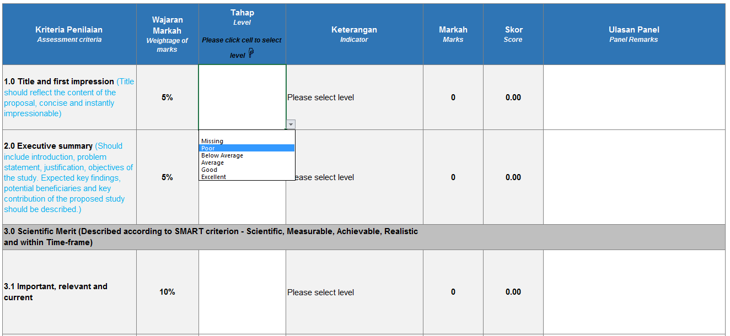

 | Langkah 2 : Keterangan akan dipaparkan mengikut pilihan tahap yang dipilih oleh Penilai. Skor juga akan dikira secara automatik. Panel hanya perlu menyatakan ulasan (jika ada)

 | Langkah 3 : Markah keseluruhan akan dikira secara automatik berdasarkan pilihan tahap penilaian yang dibuat oleh panel pada setiap kriteria penilaian.

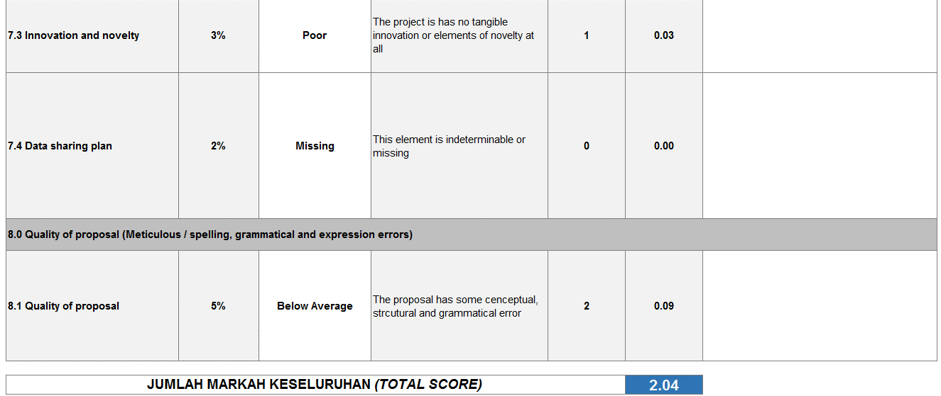

 | Langkah 4 : Sila masukkan komen untuk setiap vot dan jumlah mengikut tahun yang di dicadangkan oleh panel. Cell akan bertukar merah sekiranya jumlah melebihi had vote yang ditetapkan.

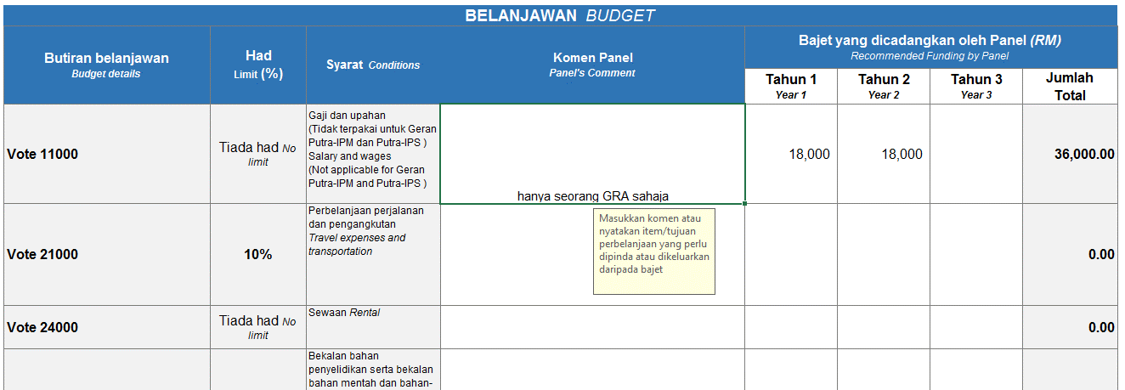

 | Langkah 5 : Sila klik pada 'cell' untuk pilih perakuan

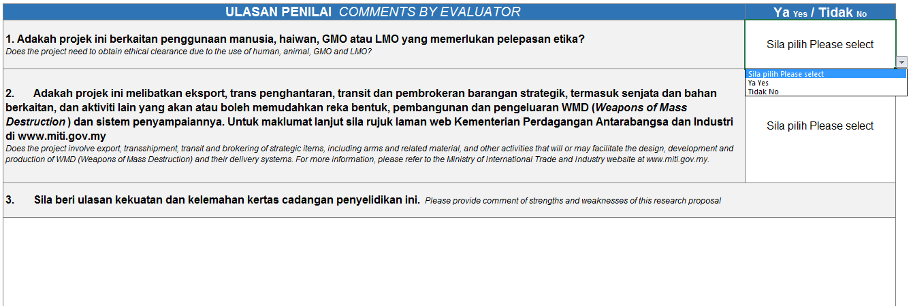

 | Langkah 5 : Sila klik pada 'cell' untuk perakuan panel

 | Langkah 6 : Sila klik pada 'cell' untuk penarafan bintang

 | Langkah 7 : Sila lengkapkan maklumat panel penilai dan tandatangan digital boleh diletakkan.

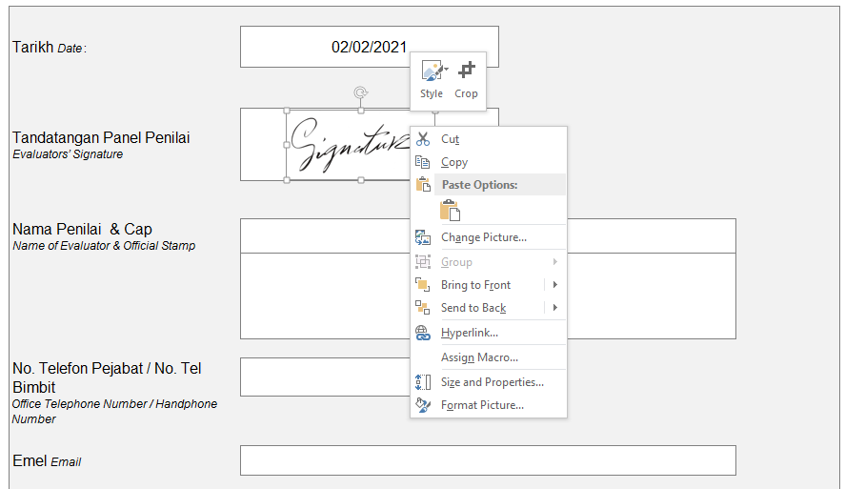

 | Langkah 8 : Sila "save as", pilih fail jenis PDF. Dokumen PDF perlu dikemukakan kepad RMC sebagi borang penilaian yang muktamad.

